Instructions
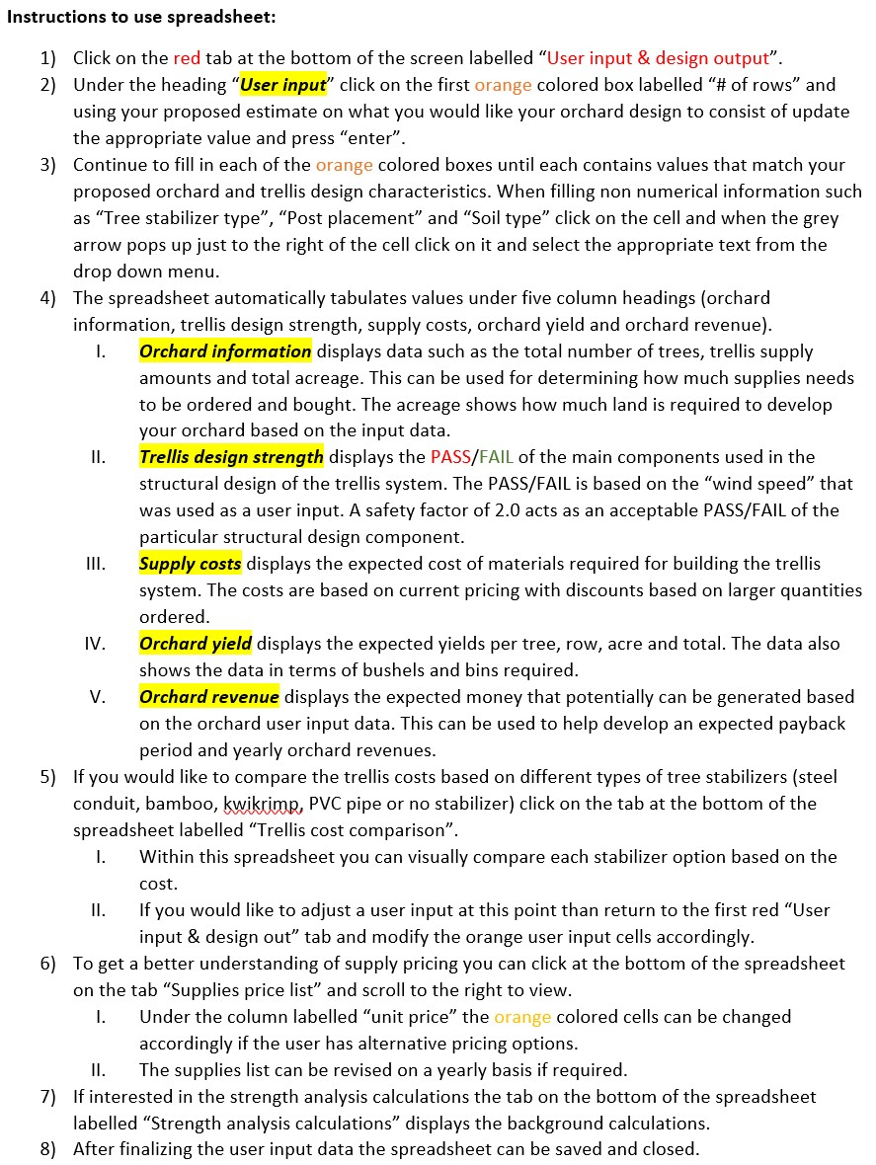

Feb-17

User input & design output
Wire Stress at Different Wind Speeds
4.7574834195 | 8675.0025571 | 71068.62
5.8308992178 | 8687.502574 | 71068.62
6.739719468 | 8705.0026196 | 71068.62
7.5449660215 | 8727.5027157 | 71068.62
8.2781056034 | 8755.0028904 | 71068.62
8.9579542526 | 8787.5031782 | 71068.62
9.5968647999 | 8825.0036196 | 71068.62
10.203489943 | 8867.5042615 | 71068.62
10.784187014 | 8915.0051571 | 71068.62
11.343801297 | 8967.5063657 | 71068.62
11.886134294 | 9025.007953 | 71068.62
12.41423933 | 9087.5099908 | 71068.62
12.930616535 | 9155.0125573 | 71068.62
13.437346217 | 9227.5157368 | 71068.62
13.936182908 | 9305.01962 | 71068.62
14.428623432 | 9387.5243038 | 71068.62
14.9159573 | 9475.0298913 | 71068.62
15.399304757 | 9567.5364919 | 71068.62
15.87964603 | 9665.0442213 | 71068.62
16.357844144 | 9767.5532013 | 71068.62
16.834663002 | 9875.0635601 | 71068.62
17.310781868 | 9987.5754321 | 71068.62
17.78680713 | 10105.088958 | 71068.62
18.263281942 | 10227.604285 | 71068.62
18.740694215 | 10355.121565 | 71068.62
19.219483294 | 10487.640959 | 71068.62
19.700045593 | 10625.162632 | 71068.62
20.18273938 | 10767.686756 | 71068.62
20.66788888 | 10915.21351 | 71068.62
21.155787808 | 11067.743077 | 71068.62
21.646702441 | 11225.275648 | 71068.62
22.140874292 | 11387.811421 | 71068.62
22.638522464 | 11555.350598 | 71068.62
23.139845729 | 11727.893389 | 71068.62
23.645024362 | 11905.440011 | 71068.62
24.154221789 | 12087.990684 | 71068.62
24.667586043 | 12275.545637 | 71068.62
25.185251088 | 12468.105105 | 71068.62
25.707338 | 12665.669328 | 71068.62
26.23395604 | 12868.238554 | 71068.62
26.765203624 | 13075.813036 | 71068.62
27.301169202 | 13288.393033 | 71068.62
27.841932065 | 13505.978812 | 71068.62
28.387563075 | 13728.570644 | 71068.62
28.938125334 | 13956.168808 | 71068.62
29.493674799 | 14188.773589 | 71068.62
30.054260844 | 14426.385277 | 71068.62
30.619926778 | 14669.00417 | 71068.62
31.190710316 | 14916.630571 | 71068.62
31.766644024 | 15169.26479 | 71068.62
...
***Fill in the correct information in this column
 |  |  | Trellis Design Strength & Input Cost Analysis

User input |  |  |  | Orchard information |  |  | Supply costs |  |  | Orchard yield
# of rows | 30 | rows |  | # of trees | 12000 | trees | End posts | $19.00 | each | Yield per row | 8,400.00 | lbs
Length of row | 800 | ft |  | # of trees per row | 400 | trees |  | $1,140.00 | total | Yield per acre | 45,801.00 | lbs
Row spacing | 10 | ft |  | # of trees per acre | 2181 | trees | Line posts | $15.50 | each | Total yield | 252,000.00 | lbs
# of guide wires | 3 | wires |  | End posts | 60 | posts |  | $12,400.00 | total | Bushels per tree | 0.50 | bushels
# of conduit clips per tree | 6 | clips |  | Line posts | 800 | posts | Conduit clips | $0.11 | each | Bushels per row | 200.00 | bushels
Tree spacing | 2 | ft |  | No stabilizer | 0 | lengths |  | $7,920.00 | total | Bushels per acre | 1,090.50 | bushels
Tree stabilizer type | No stabilizer |  |  | High tensile steel wire | 72000 | ft | No stabilizer | $- | each | Total bushels | 5,997.75 | bushels
Line post spacing | 30 | ft |  | Ground anchors | 60 | total |  | $- | total | Bins per tree | 0.03 | bins
Line post diameter | 6 | in |  | In line wire tensioners | 90 | total | Ground anchors | $13.99 | each | Bins per row | 11.75 | bins
Line post length | 14 | ft |  | Conduit clips | 72000 | total |  | $839.40 | total | Bins per acre | 64.06 | bins
The wire will fail when
the wind speed is above
the intersection point of
the two lines.
Line post dept in ground | 3 | ft |  | Barbed staples | 2400 | total | High tensile steel wire | $0.03 | /ft | Total bins | 352.45 | bins
Post placement | Driven |  |  | Total acreage | 5.5 | acres |  | $2,476.80 | total
Soil type | Silt loam |  |  |  |  |  | Wire tensioners | $4.95 | each
Wind speed | 120 | km/hr |  | Trellis design strength |  |  |  | $445.50 | total | Orchard revenue
Tree height | 10 | ft |  | Trellis (PASS / FAIL) | Pass |  | Barbed staples | $0.01 | each | Production per tree | $21.00 | /tree
Tree trunk diameter | 2.5 | in |  | Trellis safety factor | 1.31 |  |  | $17.21 | total | Production per row | $8,400.00 | /row
Branches per tree | 20 | /tree |  | Post (PASS / FAIL) | Pass |  | Trellis cost per tree | $2.10 | /tree | Production per acre | $45,801.00 | /acre
Branch diameter | 0.25 | in |  | Post safety factor | 1.03 |  | Trellis cost per row | $841.30 | /row | Total production | $252,000.00 | total
Production per tree | 21 | lb |  | Wire (PASS / FAIL) | See graph -----> |  | Trellis cost per acre | $4,588.89 | /acre
Revenue price per lb | $1.00 | /lb |  | Anchor (PASS / FAIL) | tbd |  | Total costs: | $25,238.91 | total

Trellis cost comparison
Trellis Cost Comparison
Steel conduit | $61,838.91
Bamboo | $38,318.91
Kwikrimp | $36,038.91
PVC Pipe | $85,238.91
No stabilizer | $25,238.91
Steel conduit
Lenghts | 12000
Cost (each) | $3.05
Cost (total) | $36,600.00
Trellis total cost | $61,838.91
Trellis cost per tree | $5.15
Trellis cost per row | $2,061.30
Trellis cost per acre | $11,243.44

Bamboo
Lenghts | 12000
Cost (each) | $1.09
Cost (total) | $13,080.00
Trellis total cost | $38,318.91
Trellis cost per tree | $3.19
Trellis cost per row | $1,277.30
Trellis cost per acre | $6,967.08

Kwikrimp
Lenghts | 12000
Cost (each) | $0.90
Cost (total) | $10,800.00
Trellis total cost | $36,038.91
Trellis cost per tree | $3.00
Trellis cost per row | $1,201.30
Trellis cost per acre | $6,552.53

PVC Pipe
Lenghts | 12000
Cost (each) | $5.00
Cost (total) | $60,000.00
Trellis total cost | $85,238.91
Trellis cost per tree | $7.10
Trellis cost per row | $2,841.30
Trellis cost per acre | $15,497.98

No stabilizer
Lenghts | 0
Cost (each) | $-
Cost (total) | $-
Trellis total cost | $25,238.91
Trellis cost per tree | $2.10
Trellis cost per row | $841.30
Trellis cost per acre | $4,588.89

Strength analysis calculations
Strength Analysis |  |  | Post placement | Strength Factor | Strength Analysis (Wire)
Component | Value | Comment | Driven | 1 | Angle | Angle | Deflection at midpoint | S | T | Wire stress | Fnet | Wind speed | Wind speed | Wind speed | YS
Bushel weight | 42 | lbs | Augered | 0.666666667 | (radians) | (degrees) | (inches) | (ft) | (lb) | (psi) | (lb) | (m/s) | (kph) | (ft/s) | (psi)
Bin weight | 715 | lbs |  |  | 0.001 | 0.5652 | 0.18000006 | 30.000015 | 200.23081365 | 8675.0025571 | 0.40046156055 | 1.3215231721 | 4.7574834195 | 4.3357060839 | 71068.62
Trees (modulus of elasticity) | 8760 |  | Soil Type | k in kPa/mm/m | 0.0015 | 0.8478 | 0.2700002025 | 30.00003375 | 200.51933097 | 8687.502574 | 0.60155776734 | 1.6196942272 | 5.8308992178 | 5.3139576082 | 71068.62
Posts (modulus of elasticity) | 9200 |  | Clay | 12500 | 0.002 | 1.1304 | 0.36000048 | 30.00006 | 200.92325574 | 8705.0026196 | 0.80369248716 | 1.8721442967 | 6.739719468 | 6.1422058943 | 71068.62
Post breaking stress | 30.43 |  | Sandy clay | 45000 | 0.0025 | 1.413 | 0.4500009375 | 30.00009375 | 201.44258844 | 8727.5027157 | 1.007211893 | 2.0958238949 | 7.5449660215 | 6.8760628672 | 71068.62
Tree area | 5.0806328125 |  | Silt loam | 55000 | 0.003 | 1.6956 | 0.54000162001 | 30.000135001 | 202.07732974 | 8755.0028904 | 1.2124621597 | 2.2994737787 | 8.2781056034 | 7.5442055522 | 71068.62
Post & wire area | 0.580625 |  |  |  | 0.0035 | 1.9782 | 0.63000257251 | 30.000183751 | 202.82748042 | 8787.5031782 | 1.4197894642 | 2.4883206257 | 8.9579542526 | 8.1637818417 | 71068.62
Total area | 5.6612578125 |  |  |  | 0.004 | 2.2608 | 0.72000384002 | 30.000240002 | 203.69304142 | 8825.0036196 | 1.6295399859 | 2.6657957778 | 9.5968647999 | 8.7460494195 | 71068.62
Post placement | 1 |  |  |  | 0.0045 | 2.5434 | 0.81000546754 | 30.000303753 | 204.67401382 | 8867.5042615 | 1.8420599075 | 2.8343027621 | 10.203489943 | 9.2988938739 | 71068.62
Soil type | 55000 |  |  |  | 0.005 | 2.826 | 0.90000750008 | 30.000375004 | 205.77039886 | 8915.0051571 | 2.0576954148 | 2.995607504 | 10.784187014 | 9.8281089234 | 71068.62
Moment of resistance (kNm) | 19.166858695 | M = k α pi b/4 (d)^4/36 |  |  | 0.0055 | 3.1086 | 0.99000998262 | 30.000453756 | 206.98219789 | 8967.5063657 | 2.2767926979 | 3.1510559159 | 11.343801297 | 10.338110291 | 71068.62
Force of the wind (N) | 3852.8004557 | Fw=Area*.5*v^2*p*Cd |  |  | 0.006 | 3.3912 | 1.0800129602 | 30.000540008 | 208.30941244 | 9025.007953 | 2.499697951 | 3.3017039706 | 11.886134294 | 10.832362455 | 71068.62
Wind moment (kNm) | 12.566543628 |  |  |  | 0.0065 | 3.6738 | 1.1700164778 | 30.000633761 | 209.75204416 | 9087.5099908 | 2.7267573731 | 3.4483998138 | 12.41423933 | 11.313648045 | 71068.62
Fruit moment (kNm) | 2.05767432 |  |  |  | 0.007 | 3.9564 | 1.2600205804 | 30.000735015 | 211.31009486 | 9155.0125573 | 2.9583171684 | 3.5918379263 | 12.930616535 | 11.784245542 | 71068.62
...
Wire area | 0.023081355 | in^2 |  |  | 0.018 | 10.1736 | 3.2403499654 | 30.004860656 | 274.79368732 | 11905.440011
Ewire | 20000000 | psi |  |  | 0.0185 | 10.4562 | 3.3303799495 | 30.005134482 | 279.00720421 | 12087.990684
Yswire | 490 | Mpa |  |  | 0.019 | 10.7388 | 3.4204115994 | 30.005415815 | 283.33622666 | 12275.545637
Yswire | 71068.62 | psi |  |  | 0.0195 | 11.0214 | 3.5104449602 | 30.005704654 | 287.7807601 | 12468.105105
Air temperature | 20 | °C |  |  | 0.02 | 11.304 | 3.6004800768 | 30.006001 | 292.34081007 | 12665.669328
Air density | 1.2010797826 | kg/m^3 |  |  | 0.0205 | 11.5866 | 3.6905169944 | 30.006304854 | 297.01638229 | 12868.238554
Air density | 19.239440357 | lb/ft^3 |  |  | 0.021 | 11.8692 | 3.780555758 | 30.006616216 | 301.80748259 | 13075.813036
Wind speed (kph) | 120 | kph |  |  | 0.0215 | 12.1518 | 3.8705964128 | 30.006935086 | 306.71411698 | 13288.393033
Wind speed (m/s) | 33.333333333 | m/s |  |  | 0.022 | 12.4344 | 3.9606390037 | 30.007261464 | 311.73629158 | 13505.978812
Wind speed (ft/s) | 109.36128 | ft/s |  |  | 0.0225 | 12.717 | 4.0506835759 | 30.007595352 | 316.87401267 | 13728.570644
Wire Stress at Different Wind Speeds
4.7574834195 | 8675.0025571 | 71068.62
5.8308992178 | 8687.502574 | 71068.62
6.739719468 | 8705.0026196 | 71068.62
7.5449660215 | 8727.5027157 | 71068.62
8.2781056034 | 8755.0028904 | 71068.62
8.9579542526 | 8787.5031782 | 71068.62
9.5968647999 | 8825.0036196 | 71068.62
10.203489943 | 8867.5042615 | 71068.62
10.784187014 | 8915.0051571 | 71068.62
11.343801297 | 8967.5063657 | 71068.62
11.886134294 | 9025.007953 | 71068.62
12.41423933 | 9087.5099908 | 71068.62
12.930616535 | 9155.0125573 | 71068.62
13.437346217 | 9227.5157368 | 71068.62
13.936182908 | 9305.01962 | 71068.62
14.428623432 | 9387.5243038 | 71068.62
14.9159573 | 9475.0298913 | 71068.62
15.399304757 | 9567.5364919 | 71068.62
15.87964603 | 9665.0442213 | 71068.62
16.357844144 | 9767.5532013 | 71068.62
16.834663002 | 9875.0635601 | 71068.62
17.310781868 | 9987.5754321 | 71068.62
17.78680713 | 10105.088958 | 71068.62
18.263281942 | 10227.604285 | 71068.62
18.740694215 | 10355.121565 | 71068.62
19.219483294 | 10487.640959 | 71068.62
19.700045593 | 10625.162632 | 71068.62
20.18273938 | 10767.686756 | 71068.62
20.66788888 | 10915.21351 | 71068.62
21.155787808 | 11067.743077 | 71068.62
21.646702441 | 11225.275648 | 71068.62
22.140874292 | 11387.811421 | 71068.62
22.638522464 | 11555.350598 | 71068.62
23.139845729 | 11727.893389 | 71068.62
23.645024362 | 11905.440011 | 71068.62
24.154221789 | 12087.990684 | 71068.62
24.667586043 | 12275.545637 | 71068.62
25.185251088 | 12468.105105 | 71068.62
25.707338 | 12665.669328 | 71068.62
26.23395604 | 12868.238554 | 71068.62
26.765203624 | 13075.813036 | 71068.62
27.301169202 | 13288.393033 | 71068.62
27.841932065 | 13505.978812 | 71068.62
28.387563075 | 13728.570644 | 71068.62
28.938125334 | 13956.168808 | 71068.62
29.493674799 | 14188.773589 | 71068.62
30.054260844 | 14426.385277 | 71068.62
30.619926778 | 14669.00417 | 71068.62
31.190710316 | 14916.630571 | 71068.62
31.766644024 | 15169.26479 | 71068.62
...
 |  |  |  |  | 0.023 | 12.9996 | 4.1407301745 | 30.007936749 | 322.1272867 | 13956.168808
 |  |  |  |  | 0.0235 | 13.2822 | 4.2307788445 | 30.008285657 | 327.49612021 | 14188.773589
 |  |  |  |  | 0.024 | 13.5648 | 4.3208296311 | 30.008642074 | 332.98051994 | 14426.385277
 |  |  |  |  | 0.0245 | 13.8474 | 4.4108825794 | 30.009006002 | 338.58049274 | 14669.00417
 |  |  |  |  | 0.025 | 14.13 | 4.5009377344 | 30.009377442 | 344.29604561 | 14916.630571
 |  |  |  |  | 0.0255 | 14.4126 | 4.5909951413 | 30.009756393 | 350.12718571 | 15169.26479
 |  |  |  |  | 0.026 | 14.6952 | 4.6810548452 | 30.010142857 | 356.07392032 | 15426.907143
 |  |  |  |  | 0.0265 | 14.9778 | 4.7711168912 | 30.010536833 | 362.1362569 | 15689.557953
 |  |  |  |  | 0.027 | 15.2604 | 4.8611813245 | 30.010938322 | 368.31420302 | 15957.217547
 |  |  |  |  | 0.0275 | 15.543 | 4.9512481901 | 30.011347326 | 374.60776641 | 16229.886261
 |  |  |  |  | 0.028 | 15.8256 | 5.0413175332 | 30.011763843 | 381.01695494 | 16507.564436
 |  |  |  |  | 0.0285 | 16.1082 | 5.1313893989 | 30.012187875 | 387.54177664 | 16790.25242
 |  |  |  |  | 0.029 | 16.3908 | 5.2214638324 | 30.012619422 | 394.18223967 | 17077.950565
 |  |  |  |  | 0.0295 | 16.6734 | 5.3115408789 | 30.013058485 | 400.93835234 | 17370.659233
 |  |  |  |  | 0.03 | 16.956 | 5.4016205834 | 30.013505064 | 407.81012309 | 17668.378789
 |  |  |  |  | 0.0305 | 17.2386 | 5.4917029912 | 30.013959161 | 414.79756054 | 17971.109605
 |  |  |  |  | 0.031 | 17.5212 | 5.5817881474 | 30.014420774 | 421.90067342 | 18278.852062
 |  |  |  |  | 0.0315 | 17.8038 | 5.6718760971 | 30.014889906 | 429.11947063 | 18591.606543
 |  |  |  |  | 0.032 | 18.0864 | 5.7619668856 | 30.015366556 | 436.45396119 | 18909.37344
 |  |  |  |  | 0.0325 | 18.369 | 5.8520605581 | 30.015850726 | 443.90415429 | 19232.153151
 |  |  |  |  | 0.033 | 18.6516 | 5.9421571597 | 30.016342415 | 451.47005925 | 19559.94608
 |  |  |  |  | 0.0335 | 18.9342 | 6.0322567356 | 30.016841625 | 459.15168554 | 19892.752637
 |  |  |  |  | 0.034 | 19.2168 | 6.122359331 | 30.017348356 | 466.94904277 | 20230.573238
 |  |  |  |  | 0.0345 | 19.4994 | 6.2124649911 | 30.017862609 | 474.86214071 | 20573.408308
 |  |  |  |  | 0.035 | 19.782 | 6.3025737612 | 30.018384384 | 482.89098926 | 20921.258273
 |  |  |  |  | 0.0355 | 20.0646 | 6.3926856864 | 30.018913682 | 491.03559847 | 21274.123571
 |  |  |  |  | 0.036 | 20.3472 | 6.4828008119 | 30.019450503 | 499.29597853 | 21632.004643
 |  |  |  |  | 0.0365 | 20.6298 | 6.5729191831 | 30.019994849 | 507.6721398 | 21994.901937
 |  |  |  |  | 0.037 | 20.9124 | 6.6630408452 | 30.02054672 | 516.16409275 | 22362.815907
 |  |  |  |  | 0.0375 | 21.195 | 6.7531658433 | 30.021106117 | 524.77184802 | 22735.747014
 |  |  |  |  | 0.038 | 21.4776 | 6.8432942228 | 30.02167304 | 533.49541638 | 23113.695724
 |  |  |  |  | 0.0385 | 21.7602 | 6.9334260288 | 30.02224749 | 542.33480876 | 23496.662512
 |  |  |  |  | 0.039 | 22.0428 | 7.0235613067 | 30.022829468 | 551.29003622 | 23884.647856
 |  |  |  |  | 0.0395 | 22.3254 | 7.1137001018 | 30.023418975 | 560.36110999 | 24277.652243
 |  |  |  |  | 0.04 | 22.608 | 7.2038424592 | 30.02401601 | 569.54804142 | 24675.676165
 |  |  |  |  | 0.0405 | 22.8906 | 7.2939884243 | 30.024620576 | 578.85084201 | 25078.720119
 |  |  |  |  | 0.041 | 23.1732 | 7.3841380424 | 30.025232673 | 588.26952342 | 25486.784611
 |  |  |  |  | 0.0415 | 23.4558 | 7.4742913588 | 30.025852301 | 597.80409745 | 25899.870153
 |  |  |  |  | 0.042 | 23.7384 | 7.5644484188 | 30.026479462 | 607.45457603 | 26317.97726
 |  |  |  |  | 0.0425 | 24.021 | 7.6546092677 | 30.027114156 | 617.22097126 | 26741.106458
...

